Sheet1
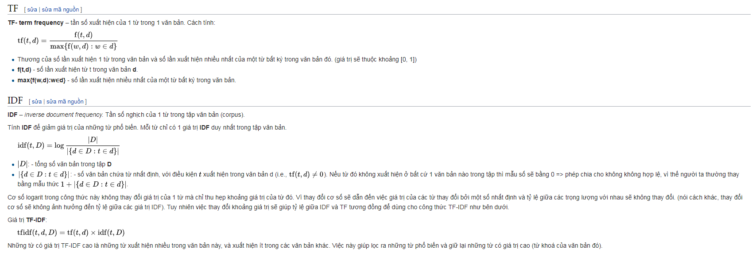

A | The best Monty Python sketch is the one about the dead parrot, I laughed so hard
B | I laugh when I think about Python's Ministry of Silly Walks sketch, it is funny, funny, funny, the best
C | Chocolate is the best ice cream dessert topping, with a great taste

Convert the sentences into numeric vectors using tf-idf scores.

Từ | Số lần từ xuất hiện |  |  | TF |  |  | IDF | TF-IDF
 | A | B | C | A | B | C |  | A | B | C
Chocolate | 0 | 0 | 1 | 0.0000 | 0.0000 | 0.0833 | 1.0986 | 0.0000 | 0.0000 | 0.0916
I | 1 | 2 | 0 | 0.0625 | 0.1053 | 0.0000 | 0.4055 | 0.0253 | 0.0427 | 0.0000
Ministry | 0 | 1 | 0 | 0.0000 | 0.0526 | 0.0000 | 1.0986 | 0.0000 | 0.0578 | 0.0000
Monty | 1 | 0 | 0 | 0.0625 | 0.0000 | 0.0000 | 1.0986 | 0.0687 | 0.0000 | 0.0000
Python | 1 | 0 | 0 | 0.0625 | 0.0000 | 0.0000 | 1.0986 | 0.0687 | 0.0000 | 0.0000
Python's | 0 | 1 | 0 | 0.0000 | 0.0526 | 0.0000 | 1.0986 | 0.0000 | 0.0578 | 0.0000
Silly | 0 | 1 | 0 | 0.0000 | 0.0526 | 0.0000 | 1.0986 | 0.0000 | 0.0578 | 0.0000
The | 1 | 0 | 0 | 0.0625 | 0.0000 | 0.0000 | 1.0986 | 0.0687 | 0.0000 | 0.0000
Walks | 0 | 1 | 0 | 0.0000 | 0.0526 | 0.0000 | 1.0986 | 0.0000 | 0.0578 | 0.0000
a | 0 | 0 | 1 | 0.0000 | 0.0000 | 0.0833 | 1.0986 | 0.0000 | 0.0000 | 0.0916
about | 1 | 1 | 0 | 0.0625 | 0.0526 | 0.0000 | 0.4055 | 0.0253 | 0.0213 | 0.0000
best | 1 | 1 | 1 | 0.0625 | 0.0526 | 0.0833 | 0.0000 | 0.0000 | 0.0000 | 0.0000
cream | 0 | 0 | 1 | 0.0000 | 0.0000 | 0.0833 | 1.0986 | 0.0000 | 0.0000 | 0.0916
dead | 1 | 0 | 0 | 0.0625 | 0.0000 | 0.0000 | 1.0986 | 0.0687 | 0.0000 | 0.0000
dessert | 0 | 0 | 1 | 0.0000 | 0.0000 | 0.0833 | 1.0986 | 0.0000 | 0.0000 | 0.0916
funny | 0 | 3 | 0 | 0.0000 | 0.1579 | 0.0000 | 1.0986 | 0.0000 | 0.1735 | 0.0000
great | 0 | 0 | 1 | 0.0000 | 0.0000 | 0.0833 | 1.0986 | 0.0000 | 0.0000 | 0.0916
hard | 1 | 0 | 0 | 0.0625 | 0.0000 | 0.0000 | 1.0986 | 0.0687 | 0.0000 | 0.0000
ice | 0 | 0 | 1 | 0.0000 | 0.0000 | 0.0833 | 1.0986 | 0.0000 | 0.0000 | 0.0916
is | 1 | 1 | 1 | 0.0625 | 0.0526 | 0.0833 | 0.0000 | 0.0000 | 0.0000 | 0.0000
it | 0 | 1 | 0 | 0.0000 | 0.0526 | 0.0000 | 1.0986 | 0.0000 | 0.0578 | 0.0000
laugh | 0 | 1 | 0 | 0.0000 | 0.0526 | 0.0000 | 1.0986 | 0.0000 | 0.0578 | 0.0000
laughed | 1 | 0 | 0 | 0.0625 | 0.0000 | 0.0000 | 1.0986 | 0.0687 | 0.0000 | 0.0000
of | 0 | 1 | 0 | 0.0000 | 0.0526 | 0.0000 | 1.0986 | 0.0000 | 0.0578 | 0.0000
one | 1 | 0 | 0 | 0.0625 | 0.0000 | 0.0000 | 1.0986 | 0.0687 | 0.0000 | 0.0000
parrot | 1 | 0 | 0 | 0.0625 | 0.0000 | 0.0000 | 1.0986 | 0.0687 | 0.0000 | 0.0000
sketch | 1 | 0 | 0 | 0.0625 | 0.0000 | 0.0000 | 1.0986 | 0.0687 | 0.0000 | 0.0000
sketch | 0 | 1 | 0 | 0.0000 | 0.0526 | 0.0000 | 1.0986 | 0.0000 | 0.0578 | 0.0000
so | 1 | 0 | 0 | 0.0625 | 0.0000 | 0.0000 | 1.0986 | 0.0687 | 0.0000 | 0.0000
taste | 0 | 0 | 1 | 0.0000 | 0.0000 | 0.0833 | 1.0986 | 0.0000 | 0.0000 | 0.0916
the | 2 | 1 | 1 | 0.1250 | 0.0526 | 0.0833 | 0.0000 | 0.0000 | 0.0000 | 0.0000
think | 0 | 1 | 0 | 0.0000 | 0.0526 | 0.0000 | 1.0986 | 0.0000 | 0.0578 | 0.0000
topping | 0 | 0 | 1 | 0.0000 | 0.0000 | 0.0833 | 1.0986 | 0.0000 | 0.0000 | 0.0916
when | 0 | 1 | 0 | 0.0000 | 0.0526 | 0.0000 | 1.0986 | 0.0000 | 0.0578 | 0.0000
with | 0 | 0 | 1 | 0.0000 | 0.0000 | 0.0833 | 1.0986 | 0.0000 | 0.0000 | 0.0916

